COFFEE
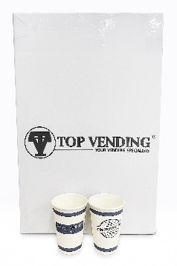
COFFEE |  |  | TEA |  |  | HOT CHOCOLATE |  |  | MILK AND CREAMERS |  |  | SUGAR/SWEETENERS |  |  | CUPS | SINGLE WALL VENDING CUPS |  |  | DISPOSABLE | PLASTIC TEA SPOONS
INSTANT |  |  | INSTANT |  |  | INSTANT |  |  | INSTANT
 | PRODUCT | RICOFFY 1.5KG TIN |  | PRODUCT | 5 ROSES LOOSE TEA |  | PRODUCT | NESTLE HOT CHOC |  | PRODUCT | CREMORA |  | PRODUCT | VENDING SUGAR |  |  | PRODUCT | Vending Cups |  |  | PRODUCT | PLASTIC TEA SPOONS
 | PRODUCT CODE | 8303248 |  | PRODUCT CODE | 3008866 |  | PRODUCT CODE | 8303793 |  | PRODUCT CODE | 12341782 |  | PRODUCT CODE | 60066 |  |  | PRODUCT CODE | TVCFED |  |  | PRODUCT CODE | PT
 | BAR CODE |  |  | BAR CODE |  |  | BAR CODE |  |  | BAR CODE |  |  | BAR CODE |  |  |  | BAR CODE |  |  |  | BAR CODE
 | SKU | 1x 1.5KG |  | SKU | 1x 3KG ( 6 x 500g) |  | SKU | 1x1KG |  | SKU | 1x750g |  | SKU | 1x1KG |  |  | SKU | 1x1000 |  |  | SKU | 1x1000
 | SELLING PRICE | R 365.00 |  | SELLING PRICE | R 779.00 |  | SELLING PRICE | R199.00 |  | SELLING PRICE | R79.00 |  | SELLING PRICE | R59.00 |  |  | SELLING PRICE |  |  |  | SELLING PRICE | R65.00

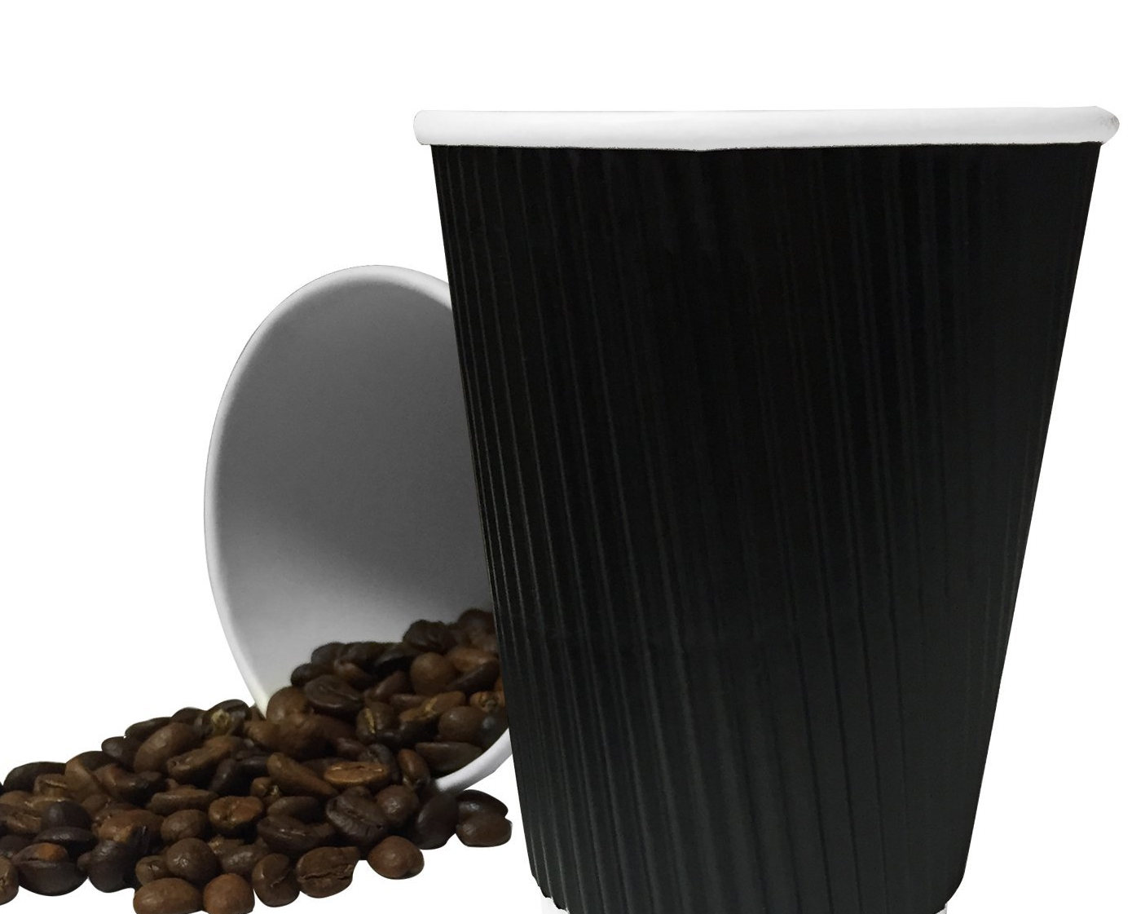
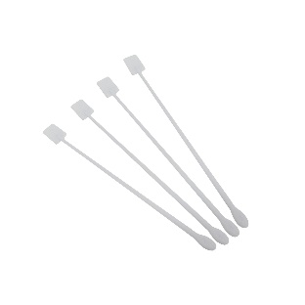
 | PRODUCT | NESCAFE 1KG | 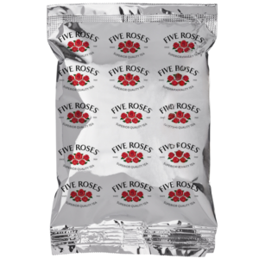 | PRODUCT | 5 Roses Tea Bags |  | PRODUCT | CIRO HOT CHOCOLATE | MILK |  |  |  | PRODUCT | SUGAR 2.5kG | CUPS | SPECIALITY |  |  | DIPSOSABLE | PLASTIC STIRRER STICKS
 | PRODUCT CODE | 8303024 |  | PRODUCT CODE | TEA002 |  | PRODUCT CODE | 3070218 |  |  |  |  | PRODUCT CODE | 5836
 | BAR CODE |  |  | BAR CODE |  |  | BAR CODE |  | 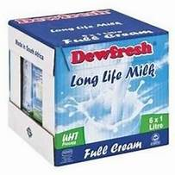 | PRODUCT | UHT MILK FULl CREAM |  | BAR CODE |  |  |  | PRODUCT | 250ml RIPPLE CUP - BLACK |  |  | PRODUCT | PLASTIC STIRRER STICKS
 | SKU | 1 x 1KG |  | SKU | 1x 100g |  | SKU | 1x500g |  | PRODUCT CODE | MILKFCPL |  | SKU | 1 x 2.5KG |  |  | PRODUCT CODE | MCRB250 |  |  | PRODUCT CODE
 | SELLING PRICE | R 575.00 |  | SELLING PRICE | R95.00 |  | SELLING PRICE | R85.00 |  | BAR CODE |  |  | SELLING PRICE | R95.00 |  |  | BAR CODE |  |  |  | BAR CODE
 |  |  |  |  |  |  |  |  |  | SKU | 6 x1L |  |  |  |  |  | SKU | 1x 1000 |  |  | SKU | 1x 1000
 |  |  |  |  |  |  |  |  |  | SELLING PRICE | R169.00 |  |  |  |  |  | SELLING PRICE | R2100.00 |  |  | SELLING PRICE

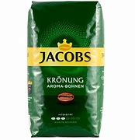 | PRODUCT | RICOFFY 1.5KG TIN |  | PRODUCT | FRESH PACK ROOIBOS |  |  |  |  |  |  |  | PRODUCT | CANDERAL
 | PRODUCT CODE | 4030217 |  | PRODUCT CODE | 3001238 |  |  |  |  |  |  |  | PRODUCT CODE | HSW002 | CUPS | PLASTIC |  |  | DISPOSABLE | WOODEN STIRRER STICKS
 | BAR CODE |  |  | BAR CODE |  |  |  |  | 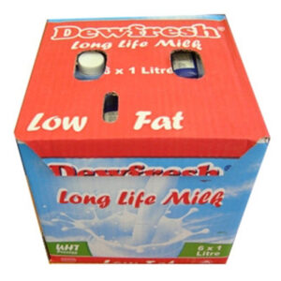 | PRODUCT | UHT MILK LOW FAT |  | BAR CODE
 | SKU | 1x 500g |  | SKU | 1x 80g |  |  |  |  | PRODUCT CODE | MILK2PL |  | SKU | 1xBOX (1000 Sticks) | 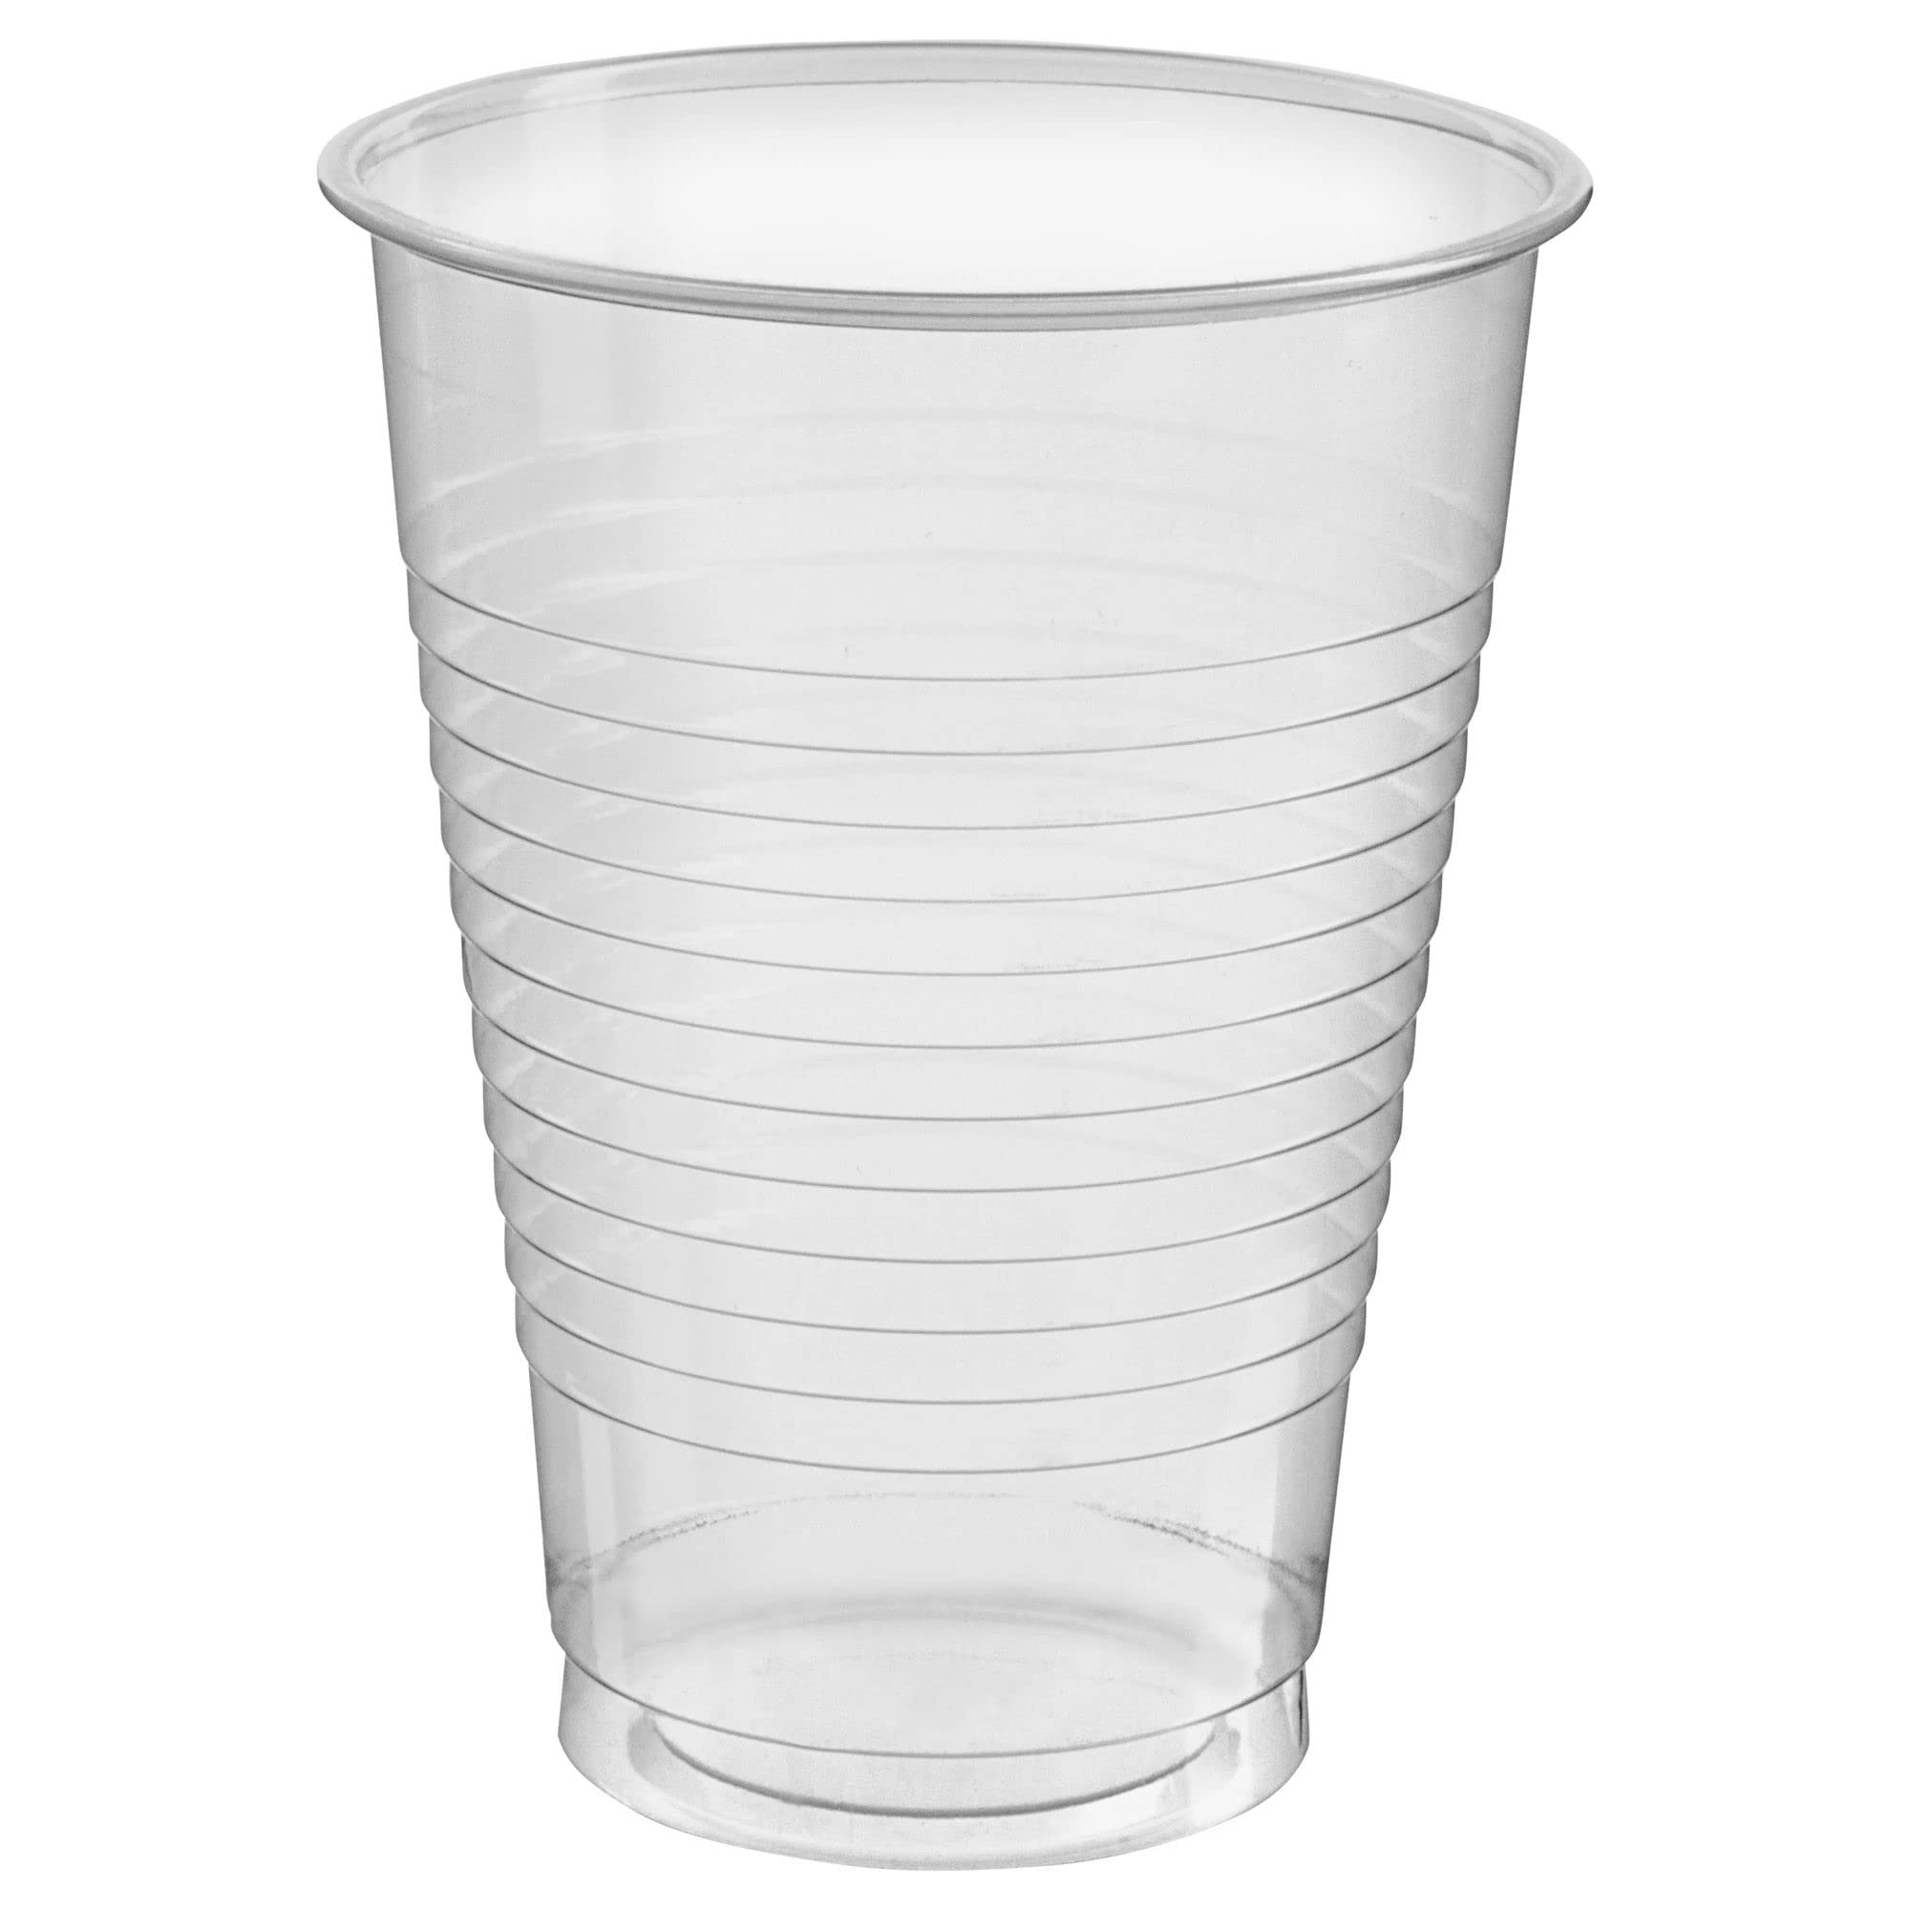 |  | PRODUCT | CLEAR COOLER CUP |  |  | PRODUCT | WOODEN STIRRER STICKS
 | SELLING PRICE | R 475.00 |  | SELLING PRICE | R79.00 |  |  |  |  | BAR CODE |  |  | SELLING PRICE | R325.00 |  |  | PRODUCT CODE | 263 |  |  | PRODUCT CODE | 8305868
 |  |  |  |  |  |  |  |  |  | SKU | 6x 1L |  |  |  |  |  | BAR CODE |  |  |  | BAR CODE
 |  |  |  |  |  |  |  |  |  | SELLING PRICE | R 169.00 |  |  |  |  |  | SKU | 1x 3000 |  |  | SKU | 1x 1000
COFFEE |  |  |  |  |  |  |  |  |  |  |  |  |  |  |  |  | SELLING PRICE | R 1850.00 |  |  | SELLING PRICE | R145.00
BEANS
 |  |  |  |  |  |  |  |  |  |  |  | 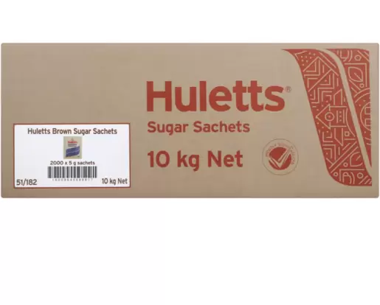 | PRODUCT | BROWN SUGAR SACHETS
 | PRODUCT | JACOBS EXPORT TRADITIONAL | 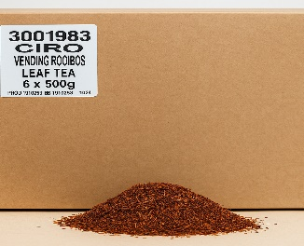 | PRODUCT | CIRO VENDING ROOIBOS TEA |  |  |  |  |  |  |  | PRODUCT CODE | SUG001
 | PRODUCT CODE | 4055443 |  | PRODUCT CODE | 3001983 |  |  |  |  |  |  |  | BAR CODE
 | BAR CODE |  |  | BAR CODE |  |  |  |  |  |  |  |  | SKU | 1x BOX ( 2000 x 5g SACHETS) | LIDS
 | SKU | 1x1kg |  | SKU | 1x 3kg ( 6 x 500g) |  |  |  |  |  |  |  | SELLING PRICE | R 465.00
 | SELLING PRICE | R 480.00 |  | SELLING PRICE | R729.00 |  |  |  |  |  |  |  |  |  |  |  | PRODUCT | LIDS 250ml RIPPLE CUP
 |  |  |  |  |  |  |  |  |  |  |  |  |  |  |  |  | PRODUCT CODE | MCRBL250
 |  |  |  |  |  |  |  |  |  |  |  |  |  |  |  |  | BAR CODE
 |  |  |  |  |  |  |  |  |  |  |  |  |  |  |  |  | SKU | 1x1000
 |  |  |  |  |  |  |  |  |  |  |  |  | PRODUCT | white SUGAR SACHETS |  |  | SELLING PRICE | R 950.00
 | PRODUCT | NESCAFE ESPRESSO WHOLE BEAN |  |  |  |  |  |  |  |  |  |  | PRODUCT CODE | SUG002
 | PRODUCT CODE | 12570371 |  |  |  |  |  |  |  |  |  |  | BAR CODE
 | BAR CODE |  |  |  |  |  |  |  |  |  |  |  | SKU | 1x BOX ( 2000 x 5g SACHETS)
 | SKU | 1x 1kG |  |  |  |  |  |  |  |  |  |  | SELLING PRICE | R 465.00
 | SELLING PRICE | R350.00
 |  |  |  |  |  |  |  |  |  |  |  |  |  |  | 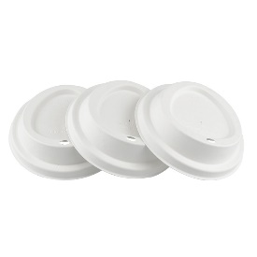 |  | PRODUCT | 175ml Sip lids - white
 |  |  |  |  |  |  |  |  |  |  |  |  |  |  |  |  | PRODUCT CODE | D5347
 |  |  |  |  |  |  |  |  |  |  |  |  |  |  |  |  | BAR CODE
 |  |  |  |  |  |  |  |  |  |  |  |  |  |  |  |  | SKU | 1x1000
 | PRODUCT | HOC CAFÉ ORO ESPRESSO BEAN |  |  |  |  |  |  |  |  |  |  |  |  |  |  | SELLING PRICE | R 950.00
 | PRODUCT CODE | 4501201
 | BAR CODE
 | SKU | 1x 1KG
 | SELLING PRICE | R425.00

